3. Variforms
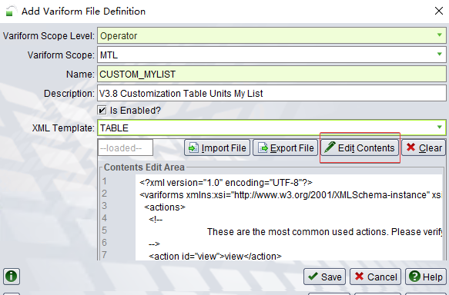
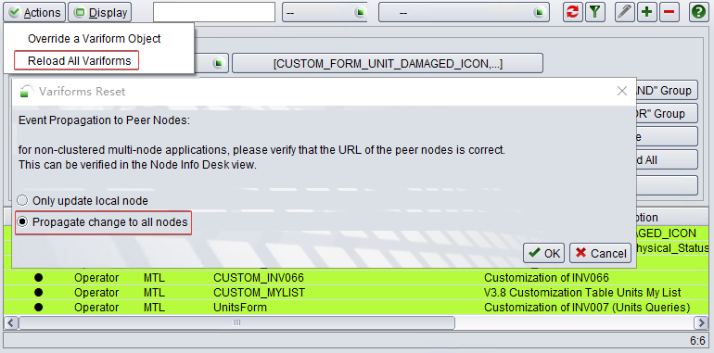
Required variform list (total: 23, extract by SIT at 10:00, 2020-08-07)
Enabled | Level | Scope | Action | Name | Description | XML Template | Created | Changed | Variform IDs
TRUE | Operator | MTL | Update | CUSTOM_FORM_UNIT_DAMAGED_ICON | CUSTOM_FORM_UNIT_DAMAGED_ICON |  | 16-Sep-20 2248 | 20-May-04 1523 | |FORM_UNIT_ICON|
TRUE | Operator | MTL | Update | CUSTOM_INV019_New | V3.8 Customized_INV019_Units_Physical_Status |  | 16-Sep-20 2227 | 20-Aug-04 1942 | |INV019|
TRUE | Operator | MTL | Update | CUSTOM_INV049 | CUSTOM_INV049 |  | 16-Sep-20 2253 | 20-Jul-23 1155 | |INV049|
TRUE | Operator | MTL | Update | CUSTOM_INV066 | Customization of INV066 |  | 17-Nov-01 1640 | 20-May-04 1521 | |INV066|
TRUE | Operator | MTL | Create | CUSTOM_MYLIST_NEW | V3.8 Customization Table Units My List | TABLE | 20-May-04 1519 | 20-Jul-13 2002 | |TABLE_MYLIST|
TRUE | Operator | MTL | Create | CUSTOM_N4_MOBILE_JOB_LIST_NEW | V3.8 Customization of MHCJOBLIST | TABLE | 20-Jun-17 0903 | 20-Jun-17 1039 | |MHCJobList|
TRUE | Operator | MTL | Create | CUSTOM_PREADVISEDUINTS_NEW | V3.8 Customization of Table Preadvised Units | TABLE | 20-Jun-28 2155 | 20-Jun-28 2233 | |INV_TABLE_PREADVISED_UNITS|
TRUE | Complex | MTL/DCBD | Create | CUSTOM_ROAD_MOBILE_FORM_DCBD_NEW | V3.8 Customization of road mobile forms in DCBD | FORM | 20-Aug-06 2220 | 20-Aug-06 2220 | |MROD001|MROD002|MROD002Buttons|MRODUnitFlexFields|MROD003|MROD004|MROD005|MROD006|MROD007|MROD009|MROD010|MROD011|MROD012|MROD019|MROD013|MROD014|MROD015|MROD016|MROD017|MROD020|MROD021|MROD022|BUNDLED_EQUIPMENT_DAMAGES_FORM|MROD023|MROD024|MROD025|MROD026|MROD027|MROD028|BUNDLE_EQUIP_CUSTOM_DAMAGES_FORM|MROD029|MROD030|MROD031|MROD032|MROD033|MROD034|
TRUE | Complex | MTL/DCBI | Create | CUSTOM_ROAD_MOBILE_FORM_DCBI_NEW | V3.8 Customization of road mobile forms in DCBI | FORM | 20-Aug-06 2221 | 20-Aug-06 2222 | |MROD001|MROD002|MROD002Buttons|MRODUnitFlexFields|MROD003|MROD004|MROD005|MROD006|MROD007|MROD009|MROD010|MROD011|MROD012|MROD019|MROD013|MROD014|MROD015|MROD016|MROD017|MROD020|MROD021|MROD022|BUNDLED_EQUIPMENT_DAMAGES_FORM|MROD023|MROD024|MROD025|MROD026|MROD027|MROD028|BUNDLE_EQUIP_CUSTOM_DAMAGES_FORM|MROD029|MROD030|MROD031|MROD032|MROD033|MROD034|
FALSE | Operator | MTL | Update | CUSTOM_ROAD_MOBILE_FORM_Disabled | V3.8 Customization of road mobile forms |  | 13-Oct-02 1805 | 20-Aug-06 2209 | |MROD001|MROD002|MROD002Buttons|MRODUnitFlexFields|MROD003|MROD004|MROD005|MROD006|MROD007|MROD009|MROD010|MROD011|MROD012|MROD019|MROD013|MROD014|MROD015|MROD016|MROD017|MROD020|MROD021|MROD022|BUNDLED_EQUIPMENT_DAMAGES_FORM|MROD023|MROD024|MROD025|MROD026|MROD027|MROD028|BUNDLE_EQUIP_CUSTOM_DAMAGES_FORM|MROD029|MROD030|MROD031|MROD032|MROD033|MROD034|
TRUE | Operator | MTL | Update | CUSTOM_ROD061_NEW | V3.8 CUSTOM_ROD061 for setting up E EIR |  | 17-Aug-17 0916 | 20-Jul-29 1701 | |ROD061|
FALSE | Operator | MTL | Create | CUSTOM_TABLE_ POINT_OF_WORK | V3.8 Customization of Table POW | TABLE | 20-Jul-31 0055 | 20-Jul-31 0125 | |TABLE_POINTS_OF_WORK|
TRUE | Operator | MTL | Update | CUSTOM_VESSEL_MOBILE_FORM_NEW | V3.8 Customization of vessel mobile forms |  | 13-Oct-02 1804 | 20-Jun-16 1316 | |MHC001|MHC002|MHC003|MHC004|MHC005|MHC006|MHC007|MHC012|MHC013|MHC014|MHC015|MHC016|MHC017|MHC018|MHC019|MHC020|MHC021|MHC022|MHC023|MHC024|MHC025|MHC026|MHC027|MHC028|MHC029|MHC030|MHC031|MNHCModeSelection|MNHCVesselCrane|MNHCContainer|MNHCIndividualCntrs|MNHCLoad|MNHCLoad1|MNHCLoad2|MNHCLoad3|MNHCLoad4|MNHCLoad1FlexFields|MNHCLoad2FlexFields|MNHCLoad3FlexFields|MNHCLoad4FlexFields|MNHCDschStatus|MNHCDuplicateButtons|MNHCWtInsp|MNHCPlacardInsp|MNHCBundleInsp|MNHCSealsInsp|MNHCDamageInsp|MNHCNewDamageInsp|MNHCBundleDamageInsp|MNHCBndlDamageCodeInsp|MNHCCreateOrphan|MNHCShift|MNHCOutOfGauge|MNHCDispatch|MNHCCraneActivityTracking|MNHCFlexFields|MNHCDirectReceiveDeliver|MNHCContainerInspection|
TRUE | Operator | MTL | Update | CUSTOM_VSL005_NEW | V3.8 Customization of VSL005 for FDR 103941and add berthing number |  | 13-Oct-02 1807 | 20-Jun-09 2247 | |VSL005|
TRUE | Operator | MTL | Update | CUSTOM_VSL027 | Customization of VSL027 |  | 17-Nov-01 1640 | 20-May-29 1107 | |VSL027|
TRUE | Operator | MTL | Update | CarrierVisitServiceOrderTable_NEW | V3.8 Customization of ORD072 - Custom CarrierVisitServiceOrderTable |  | 13-Oct-02 1804 | 20-Aug-05 0106 | |ORD072|
TRUE | Operator | MTL | Update | Customization of Vessel Visit Inspector_Status | Customization of Vessel Visit Inspector_Status |  | 16-Sep-20 2245 | 20-Jul-16 1205 | |VESSEL_VISIT_STATUS|
TRUE | Operator | MTL | Update | MTLRecordAttributeChangeDocument | New Form - MTLRecordAttributeChangeDocument |  | 13-Oct-02 1802 | 20-Jul-13 1358 | |MTLRecordAttributeChangeDocument|
TRUE | Operator | MTL | Update | RoutingFormSubmissionCommand_New | V3.8 Customization of INV016 - RoutingFormSubmissionCommand (INV016) |  | 13-Oct-02 1802 | 20-Jun-17 1924 | |INV016|
TRUE | Operator | MTL | Update | ServiceOrderTable_New | V3.8 Customization of ORD055 (Service Order) |  | 13-Oct-02 1751 | 20-Jun-08 2309 | |ORD055|
TRUE | Operator | MTL | Update | UnitRecordServiceEvent_SRV022_NEW | V3.8 Customization of SRV022 (Record Service Event) |  | 13-Oct-02 1749 | 20-Jun-03 1932 | |SRV022|
TRUE | Operator | MTL | Update | UnitsForm_New | V3.8 Customization of INV007 (Units Queries) |  | 13-Oct-02 1750 | 20-Aug-07 0238 | |INV007|
TRUE | Operator | MTL | Update | Yard Inspection MYI002 | Yard Inspection MYI002 |  | 20-Jun-04 1656 |  | |MYI002|

1. Update below variforms contents by pasting, and propagate change to all nodes.
- Retrieve from GitHub: https://github.com/DaChanBay/System-Source-Code/tree/master/N4T/Variform

2. Open tab "Database Backed Variforms", create new variform "CUSTOM_MYLIST". Edit contents by pasting, and propagate change to all nodes.

4. Custom Menus
Pre-checking: login N4T complex level for DCBI and DCBD separately, check that if exist below custom menus. If not, please perform below steps.
 | DCBI (total: 21) |  | DCBD (total: 20)

 | 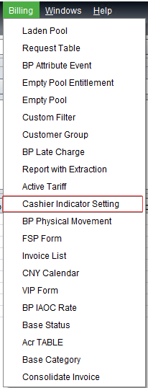 |  | 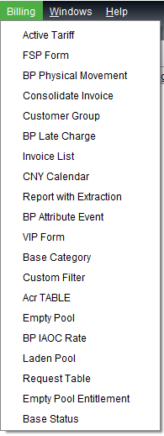
1. Login N4 with facility level and open "custom menu items" tab
2. Select all custom menu items and click [-] to delete all of them
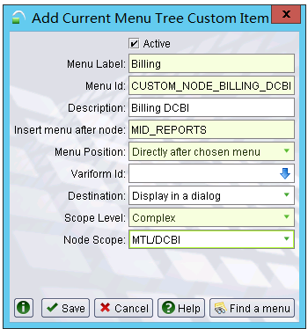
3. Recreate all custom menu as below. Need to login different complex to add for DCBI and DCBD separately

Active | Label | Id | Description | Variform | Preceding Menu | Position | Menu Tree | Destination | Level | Scope
TRUE | Acr TABLE | CUSTOM_NODE_ACR | CUSTOM_NODE_ACR | CUSTOM_TABLE_CUSTOMBPBILLREQUEST | CUSTOM_NODE_BILLING | As first child of chosen menu | ApexNavigationTree_cpx.xml |  | Complex | MTL/DCBI
TRUE | Acr TABLE | CUSTOM_NODE_ACR_DCBD | CUSTOM_NODE_ACR_DCBD | CUSTOM_TABLE_CUSTOMBPBILLREQUEST | CUSTOM_NODE_BILLING_DCBD | As first child of chosen menu | ApexNavigationTree_cpx.xml |  | Complex | MTL/DCBD
TRUE | Active Tariff | CUSTOM_NODE_BP_ACTIVE_TARIFF | Active Tariff | CUSTOM_BP_ACTIVE_TARIFF_TABLE | CUSTOM_NODE_BILLING | As first child of chosen menu | ApexNavigationTree_cpx.xml |  | Complex | MTL/DCBI
TRUE | Active Tariff | CUSTOM_NODE_BP_ACTIVE_TARIFF_DCBD | Active Tariff | CUSTOM_BP_ACTIVE_TARIFF_TABLE | CUSTOM_NODE_BILLING_DCBD | As first child of chosen menu | ApexNavigationTree_cpx.xml |  | Complex | MTL/DCBD
TRUE | BP Attribute Event | CUSTOM_NODE_BPATTRIBUTEEVENT | CUSTOM_NODE_BPATTRIBUTEEVENT | CUSTOM_TABLE_CUSTOMBPATTRIBUTEEVENT | CUSTOM_NODE_BILLING | As first child of chosen menu | ApexNavigationTree_cpx.xml |  | Complex | MTL/DCBI
TRUE | BP Attribute Event | CUSTOM_NODE_BPATTRIBUTEEVENT_DCBD | CUSTOM_NODE_BPATTRIBUTEEVENT_DCBD | CUSTOM_TABLE_CUSTOMBPATTRIBUTEEVENT | CUSTOM_NODE_BILLING_DCBD | As first child of chosen menu | ApexNavigationTree_cpx.xml |  | Complex | MTL/DCBD
TRUE | BP IAOC Rate | CUSTOM_NODE_BPIAOCSARATE_DCBD | CUSTOM_NODE_BPIAOCSARATE_DCBD | CUSTOM_TABLE_CUSTOMBPIAOCSARATE | CUSTOM_NODE_BILLING_DCBD | As first child of chosen menu | ApexNavigationTree_cpx.xml |  | Complex | MTL/DCBD
TRUE | BP IAOC Rate | CUSTOM_NODE_BPIAOCSARATE | CUSTOM_NODE_BPIAOCSARATE | CUSTOM_TABLE_CUSTOMBPIAOCSARATE | CUSTOM_NODE_BILLING | As first child of chosen menu | ApexNavigationTree_cpx.xml |  | Complex | MTL/DCBI
TRUE | BP Late Charge | CUSTOM_NODE_BPLATECHARGE | CUSTOM_NODE_BPLATECHARGE | CUSTOM_TABLE_CUSTOMBPLATECHARGE | CUSTOM_NODE_BILLING | As first child of chosen menu | ApexNavigationTree_cpx.xml |  | Complex | MTL/DCBI
TRUE | BP Late Charge | CUSTOM_NODE_BPLATECHARGE_DCBD | CUSTOM_NODE_BPLATECHARGE_DCBD | CUSTOM_TABLE_CUSTOMBPLATECHARGE | CUSTOM_NODE_BILLING_DCBD | As first child of chosen menu | ApexNavigationTree_cpx.xml |  | Complex | MTL/DCBD
TRUE | BP Physical Movement | CUSTOM_NODE_PHYSICALMOVEMENT | CUSTOM_NODE_PHYSICALMOVEMENT | CUSTOM_TABLE_CUSTOMBPPHYSICALMOVEMENT | CUSTOM_NODE_BILLING | As first child of chosen menu | ApexNavigationTree_cpx.xml |  | Complex | MTL/DCBI
TRUE | BP Physical Movement | CUSTOM_NODE_PHYSICALMOVEMENT_DCBD | CUSTOM_NODE_PHYSICALMOVEMENT_DCBD | CUSTOM_TABLE_CUSTOMBPPHYSICALMOVEMENT | CUSTOM_NODE_BILLING_DCBD | As first child of chosen menu | ApexNavigationTree_cpx.xml |  | Complex | MTL/DCBD
TRUE | Base Category | CUSTOM_NODE_BASE_CATEGORY_DCBD | CUSTOM_NODE_BASE_CATEGORY_DCBD | CUSTOM_TABLE_CUSTOMBPBASECATEGORY | CUSTOM_NODE_BILLING_DCBD | As first child of chosen menu | ApexNavigationTree_cpx.xml |  | Complex | MTL/DCBD
TRUE | Base Category | CUSTOM_NODE_BASE_CATEGORY | CUSTOM_NODE_BASE_CATEGORY | CUSTOM_TABLE_CUSTOMBPBASECATEGORY | CUSTOM_NODE_BILLING | As first child of chosen menu | ApexNavigationTree_cpx.xml |  | Complex | MTL/DCBI
TRUE | Base Status | CUSTOM_NODE_BASE_STATUS_DCBD | Base Status | CUSTOM_TABLE_CUSTOMBPBASESTATUS | CUSTOM_NODE_BILLING_DCBD | As first child of chosen menu | ApexNavigationTree_cpx.xml |  | Complex | MTL/DCBD
TRUE | Base Status | CUSTOM_NODE_BASE_STATUS | Base Status | CUSTOM_TABLE_CUSTOMBPBASESTATUS | CUSTOM_NODE_BILLING | As first child of chosen menu | ApexNavigationTree_cpx.xml |  | Complex | MTL/DCBI
TRUE | Billing | CUSTOM_NODE_BILLING | CUSTOM_NODE_BILLING |  | MID_REPORTS | Directly after chosen menu | ApexNavigationTree_cpx.xml |  | Complex | MTL/DCBI
TRUE | Billing | CUSTOM_NODE_BILLING_DCBD | CUSTOM_NODE_BILLING_DCBD |  | MID_REPORTS | Directly after chosen menu | ApexNavigationTree_cpx.xml |  | Complex | MTL/DCBD
TRUE | CNY Calendar | CUSTOM_NODE_CNY_DCBD | CUSTOM_NODE_CNY_DCBD | CUSTOM_TABLE_CUSTOMBPCNYPERIOD | CUSTOM_NODE_BILLING_DCBD | As first child of chosen menu | ApexNavigationTree_cpx.xml |  | Complex | MTL/DCBD
TRUE | CNY Calendar | CUSTOM_NODE_CNY | CUSTOM_NODE_CNY | CUSTOM_TABLE_CUSTOMBPCNYPERIOD | CUSTOM_NODE_BILLING | As first child of chosen menu | ApexNavigationTree_cpx.xml |  | Complex | MTL/DCBI
TRUE | Cashier Indicator Setting | CUSTOM_NODE_CASHIER_INDICATOR | Cashier Indicator Setting | CUSTOM_TABLE_CUSTOMBPCASHIERINDICATOR | CUSTOM_NODE_BILLING | As first child of chosen menu | ApexNavigationTree_cpx.xml |  | Complex | MTL/DCBI
TRUE | Consolidate Invoice | CUSTOM_NODE_CON_INVOICE | Consolidate Invoice | CUSTOM_TABLE_CUSTOMBPCONSOINV | CUSTOM_NODE_BILLING | As first child of chosen menu | ApexNavigationTree_cpx.xml |  | Complex | MTL/DCBI
TRUE | Consolidate Invoice | CUSTOM_NODE_CON_INVOICE_DCBD | Consolidate Invoice | CUSTOM_TABLE_CUSTOMBPCONSOINV | CUSTOM_NODE_BILLING_DCBD | As first child of chosen menu | ApexNavigationTree_cpx.xml |  | Complex | MTL/DCBD
TRUE | Custom Filter | CUSTOM_NODE_CUSTOM_FILTER | CUSTOM_NODE_CUSTOM_FILTER | CUSTOM_TABLE_CUSTOMBPCUSTOMERFILTER | CUSTOM_NODE_BILLING | As first child of chosen menu | ApexNavigationTree_cpx.xml |  | Complex | MTL/DCBI
TRUE | Custom Filter | CUSTOM_NODE_CUSTOM_FILTER_DCBD | CUSTOM_NODE_CUSTOM_FILTER_DCBD | CUSTOM_TABLE_CUSTOMBPCUSTOMERFILTER | CUSTOM_NODE_BILLING_DCBD | As first child of chosen menu | ApexNavigationTree_cpx.xml |  | Complex | MTL/DCBD
TRUE | Customer Group | CUSTOM_NODE_CUSTOMER_GROUP | CUSTOM_NODE_CUSTOMER_GROUP | CUSTOM_TABLE_CUSTOMER_GROUP | CUSTOM_NODE_BILLING | As first child of chosen menu | ApexNavigationTree_cpx.xml |  | Complex | MTL/DCBI
TRUE | Customer Group | CUSTOM_NODE_CUSTOMER_GROUP_DCBD | CUSTOM_NODE_CUSTOMER_GROUP_DCBD | CUSTOM_TABLE_CUSTOMER_GROUP | CUSTOM_NODE_BILLING_DCBD | As first child of chosen menu | ApexNavigationTree_cpx.xml |  | Complex | MTL/DCBD
TRUE | Empty Pool | CUSTOM_NODE_EMPTY_POOL_DCBD | EMPTY POOL | CUSTOM_EMPTYPOOL_TABLE | CUSTOM_NODE_BILLING_DCBD | As first child of chosen menu | ApexNavigationTree_cpx.xml |  | Complex | MTL/DCBD
TRUE | Empty Pool | CUSTOM_NODE_EMPTY_POOL | EMPTY POOL | CUSTOM_EMPTYPOOL_TABLE | CUSTOM_NODE_BILLING | As first child of chosen menu | ApexNavigationTree_cpx.xml |  | Complex | MTL/DCBI
TRUE | Empty Pool Entitlement | CUSTOM_NODE_EMPTY_ENTITLEMENT | Empty Pool Entitlement | CUSTOM_EMPTY_ENTITLEMENT_TABLE | CUSTOM_NODE_BILLING | As first child of chosen menu | ApexNavigationTree_cpx.xml |  | Complex | MTL/DCBI
TRUE | Empty Pool Entitlement | CUSTOM_NODE_EMTPY_ENTILEMENT_DCBD | Empty Pool Entitlement | CUSTOM_EMPTY_ENTITLEMENT_TABLE | CUSTOM_NODE_BILLING_DCBD | As first child of chosen menu | ApexNavigationTree_cpx.xml |  | Complex | MTL/DCBD
TRUE | FSP Form | CUSTOM_NODE_FSP_FORM | FSP Form | CUSTOM_TABLE_CUSTOMBPFSPFORM | CUSTOM_NODE_BILLING | As first child of chosen menu | ApexNavigationTree_cpx.xml |  | Complex | MTL/DCBI
TRUE | FSP Form | CUSTOM_NODE_FSP_FORM_DCBD | FSP Form | CUSTOM_TABLE_CUSTOMBPFSPFORM | CUSTOM_NODE_BILLING_DCBD | As first child of chosen menu | ApexNavigationTree_cpx.xml |  | Complex | MTL/DCBD
TRUE | Invoice List | CUSTOM_NODE_INVOICE_LIST_DCBD | Invoice List | CUSTOM_TABLE_CUSTOMBPINVOICELIST | CUSTOM_NODE_BILLING_DCBD | As first child of chosen menu | ApexNavigationTree_cpx.xml |  | Complex | MTL/DCBD
TRUE | Invoice List | CUSTOM_NODE_INVOICE_LIST | Invoice List | CUSTOM_TABLE_CUSTOMBPINVOICELIST | CUSTOM_NODE_BILLING | As first child of chosen menu | ApexNavigationTree_cpx.xml |  | Complex | MTL/DCBI
TRUE | Laden Pool | CUSTOM_NODE_LADEN_POOL | LADEN POOL | CUSTOM_LADENPOOL_TABLE | CUSTOM_NODE_BILLING | As first child of chosen menu | ApexNavigationTree_cpx.xml |  | Complex | MTL/DCBI
TRUE | Laden Pool | CUSTOM_NODE_LADEN_POOL_DCBD | LADEN POOL | CUSTOM_LADENPOOL_TABLE | CUSTOM_NODE_BILLING_DCBD | As first child of chosen menu | ApexNavigationTree_cpx.xml |  | Complex | MTL/DCBD
TRUE | Report with Extraction | CUSTOM_NODE_REPORT_W_EXT | Report with Extraction | TABLE_REPORT_W_EXTRACTION | CUSTOM_NODE_BILLING | As first child of chosen menu | ApexNavigationTree_cpx.xml |  | Complex | MTL/DCBI
TRUE | Report with Extraction | CUSTOM_NODE_REPORT_W_EXT_DCBD | Report with Extraction | TABLE_REPORT_W_EXTRACTION | CUSTOM_NODE_BILLING_DCBD | As first child of chosen menu | ApexNavigationTree_cpx.xml |  | Complex | MTL/DCBD
TRUE | Request Table | CUSTOM_NODE_REQUEST_TABLE | Request Table | CUSTOM_TABLE_CUSTOMREQUESTTABLE | CUSTOM_NODE_BILLING | As first child of chosen menu | ApexNavigationTree_cpx.xml |  | Complex | MTL/DCBI
TRUE | Request Table | CUSTOM_NODE_REQUEST_TABLE_DCBD | Request Table | CUSTOM_TABLE_CUSTOMREQUESTTABLE | CUSTOM_NODE_BILLING_DCBD | As first child of chosen menu | ApexNavigationTree_cpx.xml |  | Complex | MTL/DCBD
TRUE | VIP Form | CUSTOM_NODE_VIP_DCBD | VIP Form | CUSTOM_TABLE_BP_VIP_FORM | CUSTOM_NODE_BILLING_DCBD | As first child of chosen menu | ApexNavigationTree_cpx.xml |  | Complex | MTL/DCBD
TRUE | VIP Form | CUSTOM_NODE_VIP | VIP Form | CUSTOM_TABLE_BP_VIP_FORM | CUSTOM_NODE_BILLING | As first child of chosen menu | ApexNavigationTree_cpx.xml |  | Complex | MTL/DCBI

7. New Groovy Job
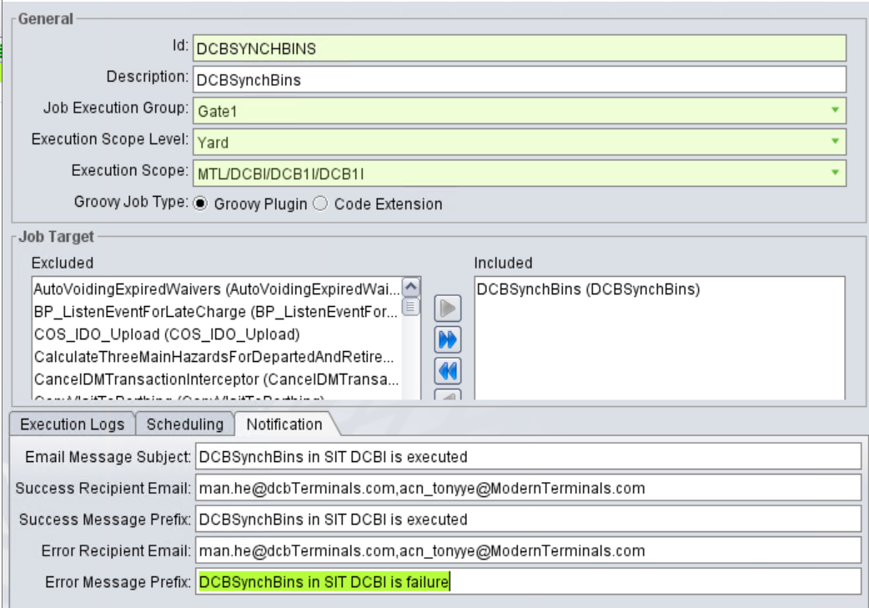
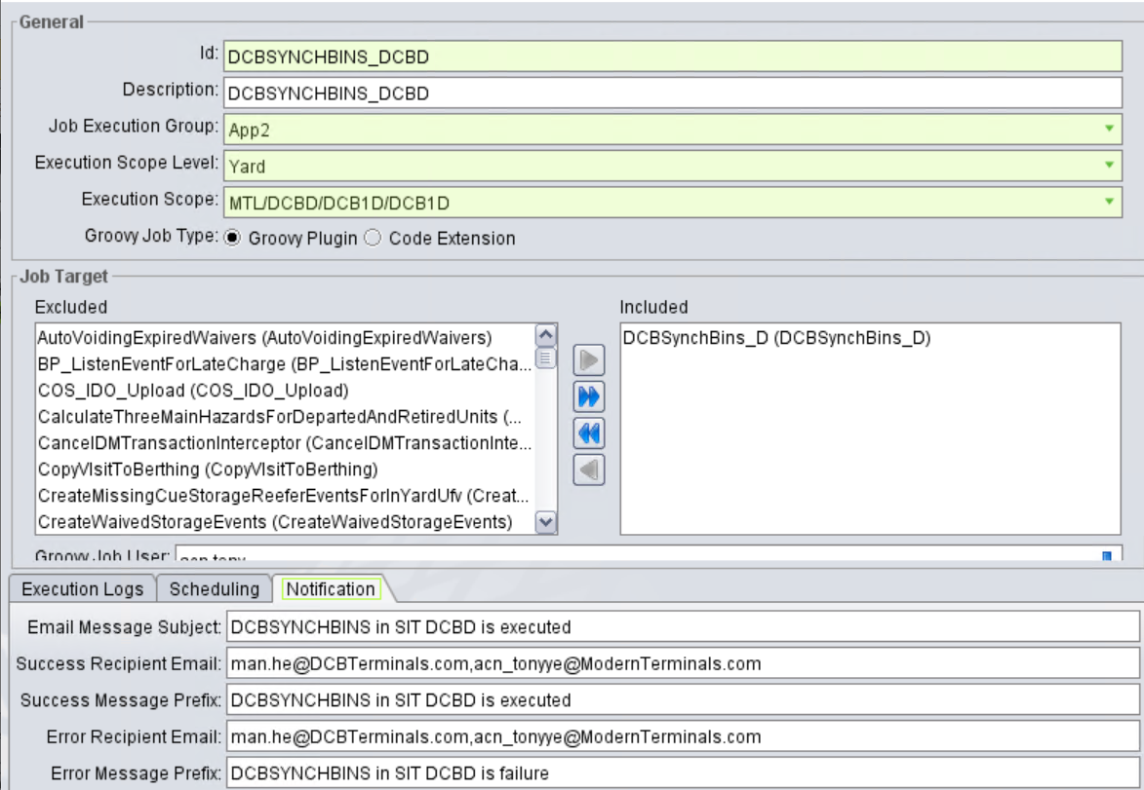
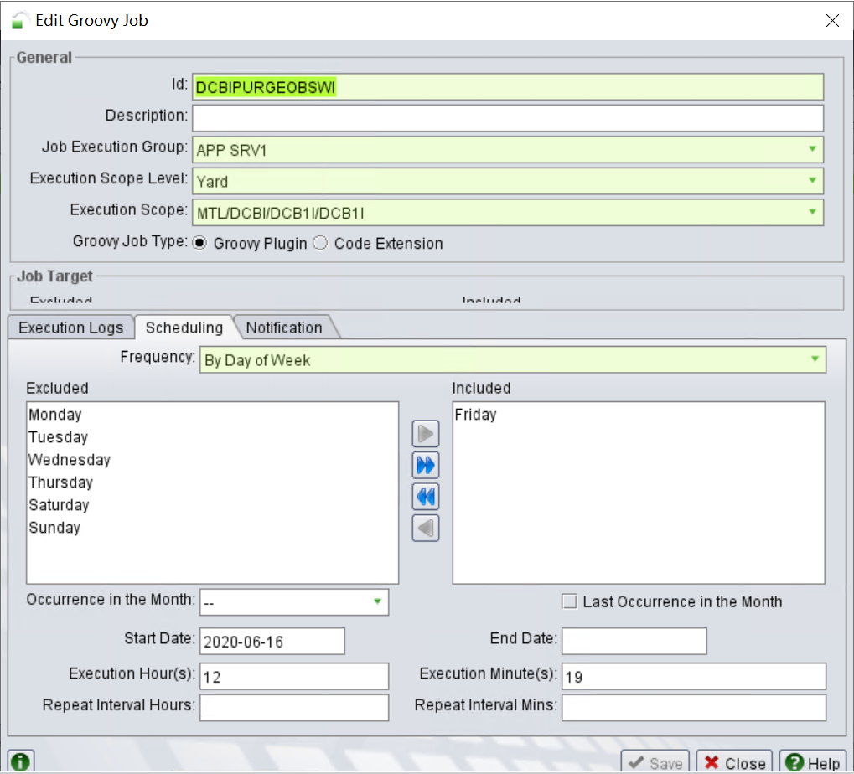
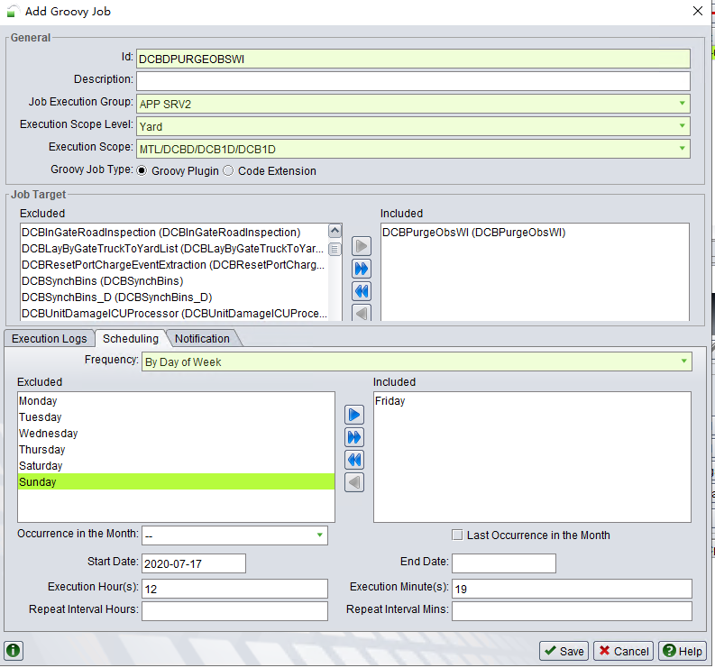
1. Create below DCBI/DCBD groovy job in N4T
 | 1.1, Login N4T as DCBI/DCBD facility level separately
 | 1.2, Open Groovy Job Sheet
 | 1.3, Click [+] Button
 | 1.4, fill in with below information to new groovy jobs

 | Id | Description | Job Execution Group | Groovy Job User | Execution Scope Level | Execution Scope | Groovy Job Type | Included | Frequency | Execution Hour(s) | Execution Minute(s) | Email Message Subject | Success Recipient Email | Success Message Prefix | Error Recipient Email | Error Message Prefix
 | DCBSYNCHBINS | DCBSynchBins | Depends on Environment | n4.dcbi.backgroundjob | Yard | MTL/DCBI/DCB1I/DCB1I | Groovy PlugIn | DCBSYNCHBINS | On Demand |  |  | DCBSynchBins in DCBI is executed | man.he@dcbTerminals.com | DCBSynchBins in DCBI is executed | man.he@dcbTerminals.com | DCBSynchBins in DCBI is failure
 | DCBSYNCHBINS_DCBD | DCBSYNCHBINS_DCBD | Depends on Environment | n4.dcbd.backgroundjob | Yard | MTL/DCBD/DCB1D/DCB1D | Groovy PlugIn | DCBSYNCHBINS_D | On Demand |  |  | DCBSynchBins in DCBD is executed | man.he@dcbTerminals.com | DCBSynchBins in DCBD is executed | man.he@dcbTerminals.com | DCBSynchBins in DCBD is executed
 | DCBIPURGEOBSWI |  | Depends on Environment | n4.dcbi.backgroundjob | Yard | MTL/DCBI/DCB1I/DCB1I | Groovy PlugIn | DCBPurgeObsWI | By Day of Week(Friday) | 12 | 19
 | DCBDPURGEOBSWI |  | Depends on Environment | n4.dcbd.backgroundjob | Yard | MTL/DCBD/DCB1D/DCB1D | Groovy PlugIn | DCBPurgeObsWI | By Day of Week(Friday) | 12 | 19

